Cover
Department of Veterans Affairs

Risk and Issue Log/Registry Template OneVA Pharmacy Prescription Refill



Aug-15

Version 0.5-2015
This guide is the accepted ProPath risk management template for completing Project/Programs Risk Log/Registry and Issue Log/Registry for risk and issues assessment as well as integrating a structured approach for risk management into your compliance program.
Successful risk management requires a consistent framework for communicating and thinking about risk. Establishing a standard Risk and Issue Log at the Project and Program provides a means to communicate risks and issues to decision makers and action officers within the Project and Program, as well as, communicates potential operational and enterprise risks/issues across multiple management levels in a risk-based decision model.
Project Management Body of Knowledge (PMBOK) defines a risk as an uncertain event or condition that, if it occurs, has a positive or a negative effect on OI&T Operations (projects, programs, product systems/service support, and business) objectives. It is important to pay attention to the underlined portion, which emphasizes the uncertainty or probability aspect of risk. The event has not happened yet but there is a chance it could occur.
An issue is an event or condition that has already happened and has impacted or is currently impacting the PD project, program,system service support, operation objectives. There is no uncertainty or probability aspect associated with an issue. The probability of a risk may range between 0 and 100%, but it can’t be either 0 or 100. The probability of an issue is 100%.
Maintaining a risk log and issue log enables project managers to view progress and make sure all risk are captured . It is also a perfect communication tool that informs project team members and stakeholders what is going on. A good risk and issue log contains risks and issue descriptions, clarifies ownership issues and enables you to carry our some basic analyses with regard to causes and effects. Most project managers aren't really fond of administrative tasks, but doing bookkeeping with regards to risks and issues pays off, especially if the number of risks is large and issue require senior leadership attention. Some project managers don't want to record risks and issue, because they feel this makes it easier to blame them in case things go wrong. However the reverse is true. By recording project risks and issues, as well as the effective responses that have been implemented, project managers create a track record and provides documentation of what steps the project team has taken to address them.
NOTE: The Risk and Issue Log/Registry template has been configured in the OI&T Standard Rational Team Concert/JAZZ toolset. PMs and Business Operations are encouraged to utilize this standard tool.

Dashboard_Heat Map Example
Risk Burndown Chart
 | Risks | Issues
41913 | 343 | 37
41920 | 327 | 59
41927 | 332 | 59
41934 | 332 | 59
41941 | 291 | 64
41948 | 270 | 59
41955 | 265 | 53
41962 | 240 | 48
41969 | 240 | 43
41976 | 240 | 43
41983 | 232 | 39
41990 | 255 | 32
41997 | 276 | 32
 |  | Risk Severity Matrix |  |  |  |  |  |  | Active Risks by Severity
 | Risk Probability Rank
 |  | 5 - Almost Certain (VH) |  |  |  |  |  |  |  | Severity | Number
 |  | 4 - Likely (H) |  |  |  |  |  |  |  | High
 |  | 3 - Moderate (M) |  |  |  |  |  |  |  | Medium
 |  | 2 - Unlikely (L) |  |  |  |  |  |  |  | Low
 |  | 1 - Rare (VL) |  |  |  |  |  |  |  | Not Ranked (NR)
 |  |  | Insignificant | Minor | Moderate | Major | Potentially
 |  |  | (VL) - 1 | (L) - 2 | (M) - 3 | (H) - 4 | Catastrophic
 |  |  |  |  |  |  | (VH) - 5 |  | Risk Count by Status
 |  |  |  | Risk Impact Rank
 |  |  |  |  |  |  |  |  |  | Status | Number
 |  |  | Active Issues by Severity |  |  |  |  |  |  | Submitted
 |  |  |  |  |  |  |  |  |  | Team Reviewed
 |  |  |  | Very High |  |  |  |  |  | Analysis Requested
 |  |  |  | High |  |  |  |  |  | Analyzed
 |  |  |  | Moderate |  |  |  |  |  | Being Mitigated
 |  |  |  | Low |  |  |  |  |  | Monitor
 |  |  |  | Very Low |  |  |  |  |  | Rejected
 |  |  |  | Not Rated |  |  |  |  |  | Closed

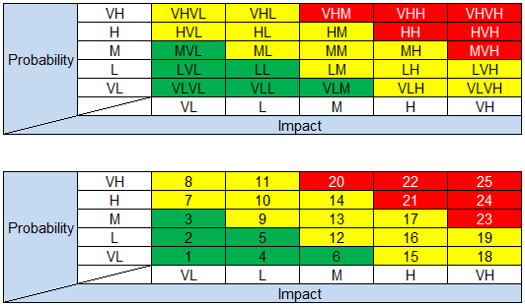
Program Top Issues
Issue ID | Opened Date | Issue Description |  |  | Action Owner | Leadership Actions Needed |  | Recent History and Notes |  |  | Risk Exposure
 |  |  |  |  |  |  |  |  |  |  | VH
 |  |  |  |  |  |  |  |  |  |  | VH
 |  |  |  |  |  |  |  |  |  |  | VH

Program Top Risks
Risk IDs | Opened Date | Risk Description |  |  | Action Owner | Leadership Actions Needed |  | Recent History and Notes |  |  | Risk Exposure
 |  |  |  |  |  |  |  |  |  |  | VHVH
 |  |  |  |  |  |  |  |  |  |  | MVH
 |  |  |  |  |  |  |  |  |  |  | HH

